Graphic 3
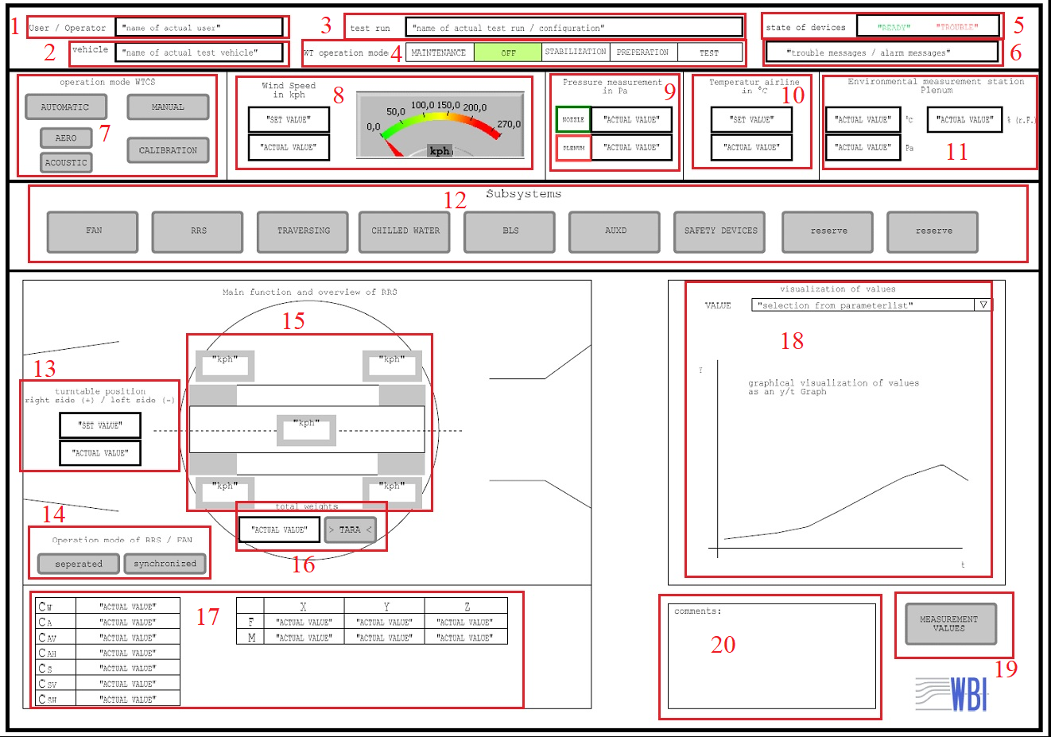
Graphic 3: User Interface of Operator
No. | Item | Control | Indicator
1 | User/Operator | x
2 | Vehicle | x
3 | Test Run | x
4 | WT Operation Mode:
 | - MAINTENANCE |  | x
 | - OFF |  | x
 | - STABILIZATION |  | x
 | - PREPARATION |  | x
 | - TEST |  | x
5 | State of Devices |  | x
6 | Trouble message/Alarm message |  | x
7 | Operation mode WTCS:
 | - AUTOMATIC | x
 | - MANUAL | x
 | - AERO | x
 | - ACOUSTIC | x
 | - CALIBRATION | x
8 | Wind Speed:
 | - Set value | x
 | - Actual value |  | x
 | - Speedometer |  | x
9 | Pressure Measurement in PA:
 | - Nozzle button | x
 | - Nozzle's "Actual value" |  | x
 | - Plenum button | x
 | - Plenums "Actual value" |  | x
10 | Temperature Airline
 | - Set value | x
 | - Actual value |  | x
11 | Environment Measurement Station Plenum:
 | - Temperature value |  | x
 | - Relative Moisture value |  | x
 | - Absolute Pressure value |  | x
12 | Subsystems:
 | - FAN | x
 | - RRS | x
 | - TRAVERSING | x
 | - CHILLED WATER | x
 | - BLS | x
 | - AUXD | x
 | - SAFETY DEVICES | x
 | - reserve | x
 | - reserve | x
13 | Turntable Position:
 | - Set value | x
 | - Actual value |  | x
14 | Operation mode of RRS/FAN:
 | - Seperated operation | x
 | - Synchronized operation | x
15 | The moving belt system:
 | - 04 Speed values of 04 wheel drives |  | x
 | - Speed value of moving belt |  | x
16 | Total weights:
 | - Actual value |  | x
 | - Button for "Setting/Resetting" the tare | x
17 | Measurement of forces measured by the Rolling Road System |  | x
18 | Measurement Diagram |  | x
19 | Measurement Button | x
20 | Comments | x

Graphic 4
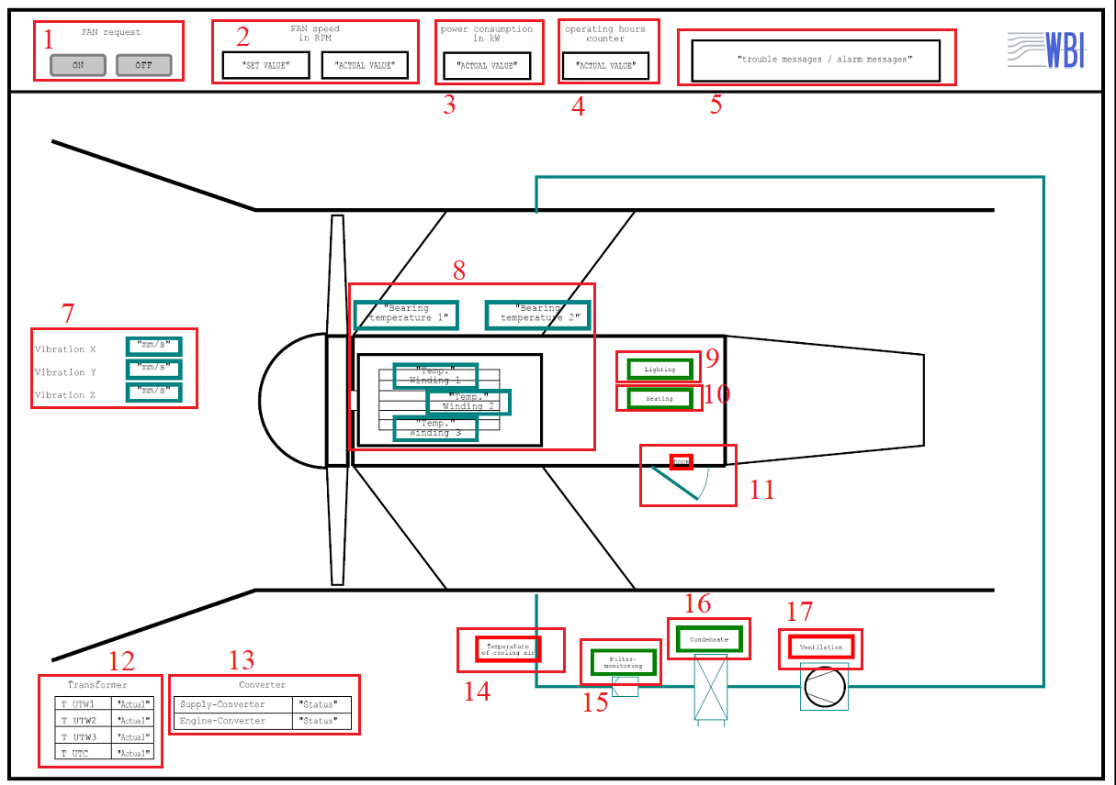
Graphic 4: User Interface of Fan
No. | Item | Control | Indicator | Note
1 | Fan request
 | - ON | x
 | - OFF | x
2 | FAN speed in RPM
 | - Set value |  | x
 | - Actual value |  | x
3 | Power comsumption in KW: Actual value |  | x
4 | Operating hours counter: Actual value |  | x
5 | Trouble message/Alarm message |  | x
6 | Fan cooling |  | x | - Ready/Running/Error - This item is written in page 30, but it is not shown in Graphical.
7 | Vibration of the fan housing |  |  | - Indication of warning/error when threshold values are passed
 | -Actual value of X direction |  | x
 | -Actual value of Y direction |  | x
 | -Actual value of Z direction |  | x
8 | Temperature: |  |  | - Indication of warning/error when threshold values are passed
 | - Bearing temperature 1 |  | x
 | - Bearing temperature 2 |  | x
 | - Temp winding 1 |  | x
 | - Temp winding 2 |  | x
 | - Temp winding 3 |  | x
9 | Lighting |  | x
10 | Heating |  | x
11 | Door/Hatch |  | x
12 | Transformer |  |  | - Indication of warning/error when threshold values are passed
 | - UTW1 "Actual value" |  | x
 | - UTW2 "Actual value" |  | x
 | - UTW3 "Actual value" |  | x
 | - UTC "Actual value" |  | x
13 | Converter |  |  | - Indication of warning/error when threshold values are passed
 | - Supply converter "Status" |  | x
 | - Engine converter "Status" |  | x
14 | Temperature of Cooling air |  | x | - Indication of warning/error when threshold values are passed
15 | Filter monitoring |  | x
16 | Condensate |  | x
17 | Ventilation |  | x

Graphic 5
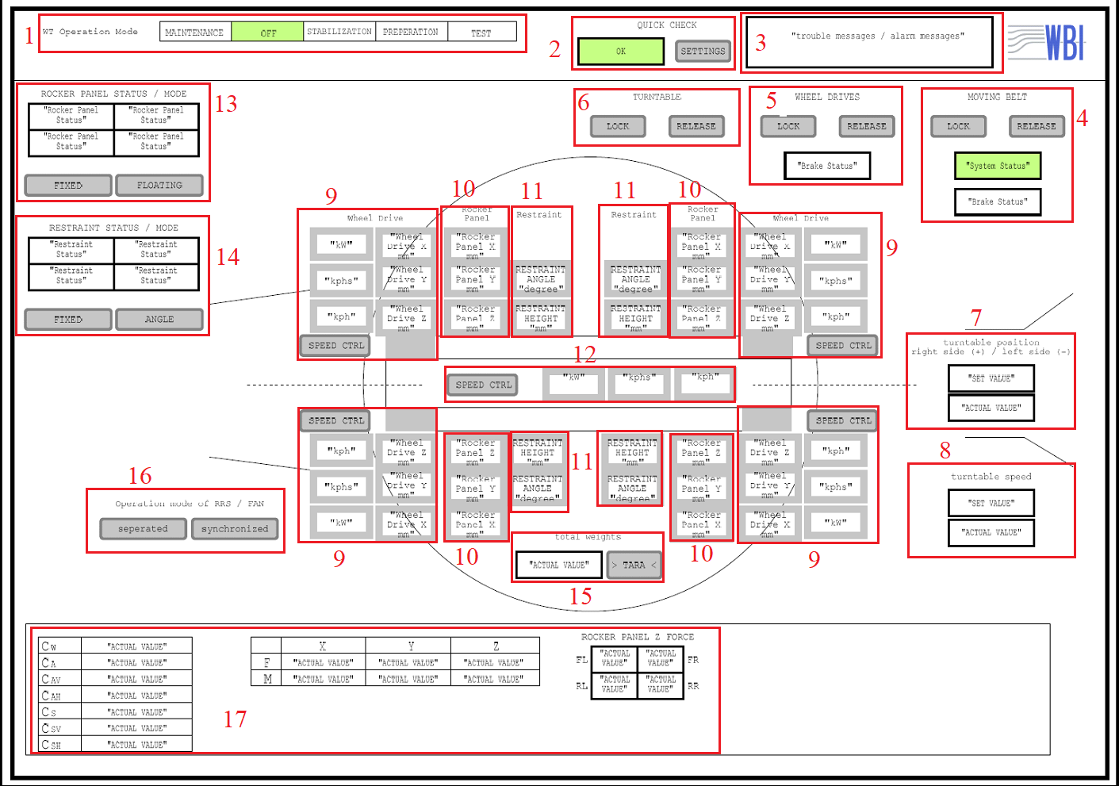
Graphic 5: User Interface of Rolling Road System
No. | Item | Control | Indicator | Note | Linked to List of Signal Information
1 | WT Operation Mode:
 | - MAINTENANCE |  | x
 | - OFF |  | x
 | - STABILIZATION |  | x
 | - PREPARATION |  | x
 | - TEST |  | x
2 | Quick Check
 | - Status |  | x |  | 1 3
 | - Adjustment settings | x
3 | Trouble/Alarm messages |  | x
4 | Moving Belt:
 | - Lock | x
 | - Release | x
 | - System status |  | x
 | - Brake status |  | x
5 | Wheel drives
 | - Lock | x
 | - Release | x
 | - Brake status |  | x |  | 7 8 9 10
6 | Turntable
 | - Lock | x
 | - Release | x
7 | Turntable Position
 | - Set value | x
 | - Actual value |  | x |  | 97
8 | Turntable speed
 | - Set value | x
 | - Actual value |  | x
9 | 04 wheel drives
 | - Effective Power value | x | x | - In Manual operation, It can be set point
 | - Acceleration value | x | x
 | - Speed value | x | x |  | 106 107 108 109
 | - Position in X direction |  | x |  | 110 111 112 113
 | - Position in Y direction |  | x |  | 114 115 116 117
 | - Position in Z direction |  | x |  | MTS does not supply those signals
 | - Speed control | x
10 | Rocker panel of 04 wheel drives
 | - Position in X direction | x | x | - In Manual operation, It can be set point | 67 68 69 70
 | - Position in Y direction | x | x |  | 71 72 73 74
 | - Position in Z direction | x | x |  | 63 64 65 66
11 | Restraint of 04 wheel drives
 | - Angle value | x | x | - In Manual operation, It can be set point
 | - Height value | x | x
12 | Moving Belt:
 | - Speed value |  | x
 | - Acceleration value |  | x
 | - Effective power value |  | x
 | - Speed control | x
13 | Rocker panel status / mode
 | - Status display of 04 rocker panel mounts |  | x
 | - "FIXED" operation mode | x
 | - "FLOATING" operation mode | x
14 | Restraint status / mode
 | - Status display of 04 restraints |  | x
 | - "HEIGHT CONTROL" operation mode | x |  | - In page 33, it writes "Height control", but in the graphic, it shows "FIXED".
 | - "ANGLE CONTROL" operation mode | x
15 | Total weight
 | - Actual value |  | x
 | - Button for "Setting/Resetting" the tare | x
16 | Operation mode of RRS / FAN
 | - Separated operation | x
 | - Synchronized operation | x
17 | Measurements |  | x | - This part is reserved for display of other values not already displayed. - They can be Mass/force measurement of the balance, force measurement of rocker panels etc.

Graphic 6
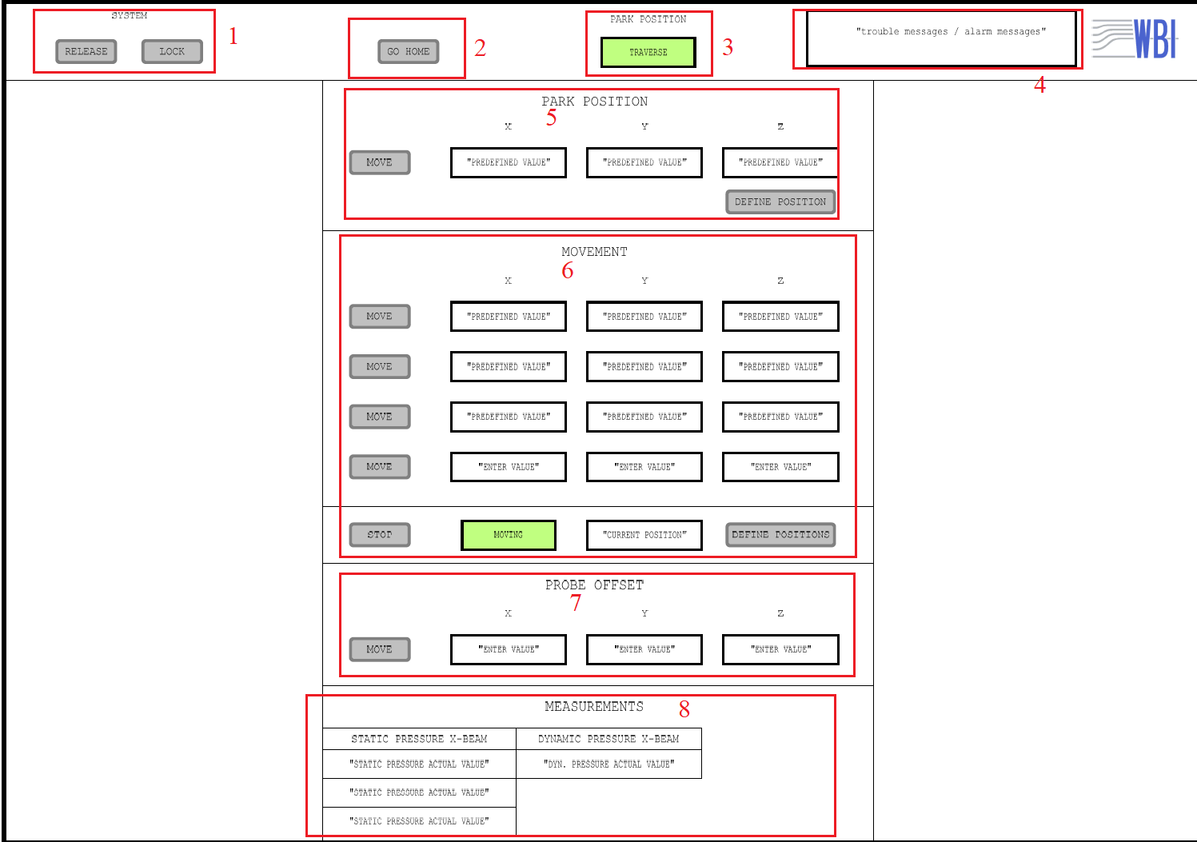
Graphic 6: User Interface of Traversing system
No. | Item | Control | Indicator | Note
1 | System
 | - Release | x
 | - Lock | x
2 | Go Home | x
3 | Park Position |  | x
4 | Trouble/alarm messages |  | x
5 | Park Position
 | - Move button | x
 | - Predefined value X |  | x | - In page 34 of bid document, it writes "the current park position". But in graphic, It is "Predefined value".
 | - Predefined value Y |  | x
 | - Predefined value Z |  | x
 | - Button "DEFINE POSITION" for changing the park position | x
6 | Movement
 | - 04 Move buttons | x
 | - "Predefinied value" of position 1 with X, Y, Z directions |  | x
 | - "Predefinied value" of position 2 with X, Y, Z directions |  | x
 | - "Predefinied value" of position 3 with X, Y, Z directions |  | x
 | - "Enter value" for manual input with X,Y, Z directions | x
 | - Stop button | x
 | - Status display of "Moving"/"Not Moving" |  | x
 | - Current position |  | x
 | - Define positions | x
7 | Probe Offset
 | - Enter value X | x
 | - Enter value Y | x
 | - Enter value Z | x
 | - Move button | x
8 | Measurments |  | x | - It is not written in page 34 of Bid document.

Graphic 9
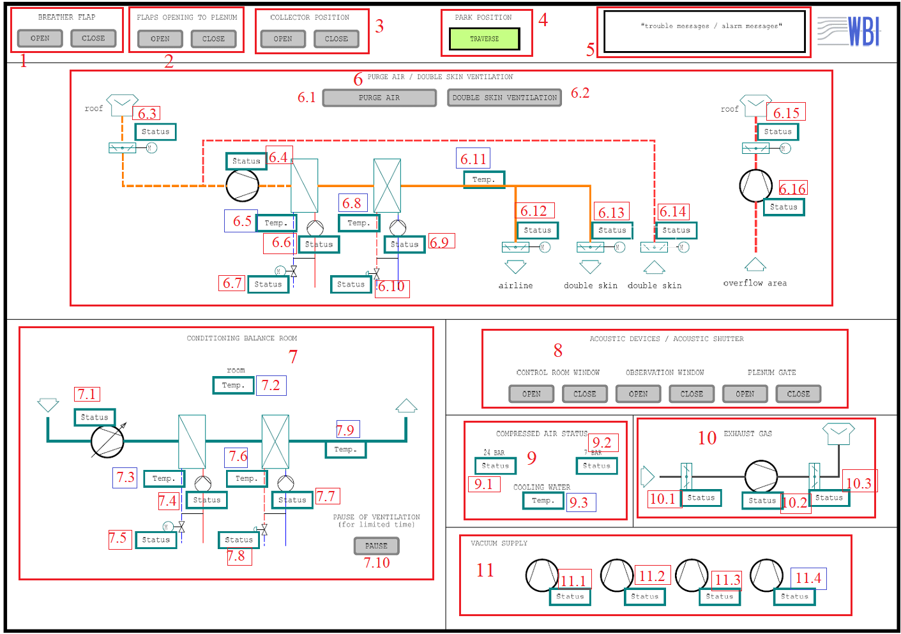
Graphic 9: User Interface of auxiliary devices of the wind tunnel
No. | Item | Control | Indicator | Note
1 | Breather flap
 | - Open | x
 | - Close | x
2 | Flaps opening to plenum
 | - Open | x
 | - Close | x
3 | Collector positioning
 | - Open | x
 | - Close | x
4 | Park Position |  | x
5 | Trouble/Alarm messages |  | x
6 | Airline purge / Facade-ventilation
6.1 | - Purge air | x
6.2 | - Double skin ventilation |  | x
6.3 | - Status |  | x | - Which device's status? - Which device's temp?
6.4 | - Status |  | x
6.5 | - Temp |  | x
6.6 | - Status |  | x
6.7 | - Status |  | x
6.8 | - Temp |  | x
6.9 | - Status |  | x
6.10 | - Status |  | x
6.11 | - Temp |  | x
6.12 | - Status |  | x
6.13 | - Status |  | x
6.14 | - Status |  | x
6.15 | - Status |  | x
6.16 | - Status |  | x
7 | Balance room conditioning
7.1 | - Status |  | x | - Which device's status? - Which device's temp?
7.2 | - Temp |  | x
7.3 | - Temp |  | x
7.4 | - Status |  | x
7.5 | - Status |  | x
7.6 | - Temp |  | x
7.7 | - Status |  | x
7.8 | - Status |  | x
7.9 | - Temp |  | x
7.10 | - Manual switch off (PAUSE) | x
8 | Acoustic shutter
 | - "Open" Control room window | x
 | - "Close" Control room window | x
 | - "Open" Observation window | x
 | - "Close" Observation window | x
 | - "Open: Plenum Gate | x
 | - "Close" Plenum Gate | x
9 | Compressed Air
9.1 | - 24 BAR: status |  | x | - Which device's status? - Which device's temp?
9.2 | - 7 BAR: status |  | x
9.3 | - Cooling water: temperature |  | x
10 | Exhaust Gas
10.1 | - Status |  | x | - Display value of "ON/OFF/Error" - Which device's status? - Which device's temp?
10.2 | - Status |  | x
10.3 | - Status |  | x
11 | Vacuum Supply
11.1 | - Status |  | x | - Which device's status? - Which device's temp?
11.2 | - Status |  | x
11.3 | - Status |  | x
11.3 | - Status |  | x

